Sheet1
 |  | Document No. |  | Issue No. |  | Issue Date |  |  | Review and Replace Date |  |  | Authorised By
 |  | GFF281MC |  | 1 |  | 30.03.2021 |  |  | New Issue |  |  | Magda Shah
 |  | Document Title | Cashew Satay Chicken Curry 425g
Document amendments reason for change |  | New product launch |  |  | Page 1 of 1 |  | Previous Issue Date |  |  | New Issue |  | Uncontrolled copy unless signed original

FCCSAT-R8TMC | MINDFUL CHEF |  |  | Cashew Satay Chicken Curry 425g | FROZEN
STEP 1 |  |  |  | STEP 2 |  |  |  |  |  |  | STEP 3
 |  |  |  | 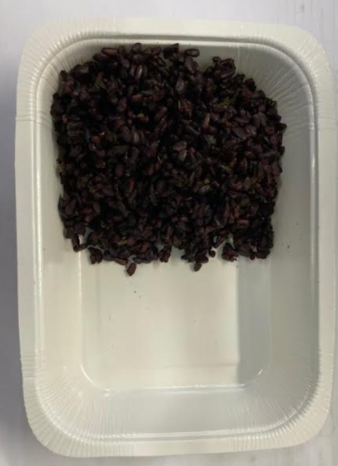 |  |  |  |  |  |  | 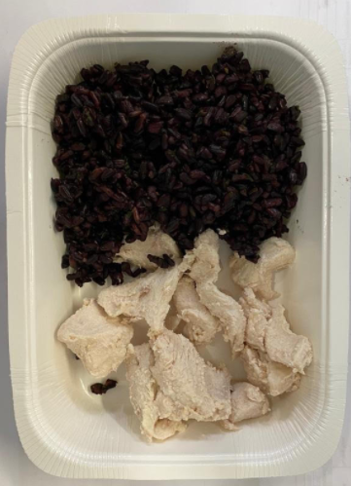

Tray: WHITE OVENABLE BOARD TRAY (PKSOU002-01)
HAND SEALER: Mylar 25OLAF 145mm x 500 (PKWRA001-07) |  |  |  | Black Rice (GFF238R): 100g |  |  |  |  |  |  | Mindful Chef Cooked Chicken (GFF357R) OR Cooked Lemon & Garlic Chicken (Hartley): 90g
LINE 1: Mylar 250LAF 250mm x 1000 (PKWRA001-08)
LINE 1: K-Peel 75G + AF 25 250mm (PKKMP001-01)
STEP 4 |  |  |  |  |  |  |  | STEP 5
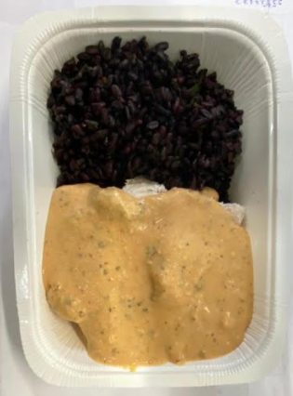 |  |  |  |  |  |  |  | 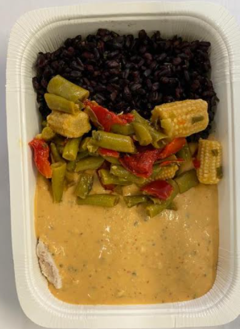

Cashew Satay Sauce (GFF356R): 185g |  |  |  |  |  |  |  | Stir Fry Veg for Cashew Chicken (GFF358R): 50g |  |  |  |  | TOTAL WEIGHT: 425g

ALLERGY ALERT: NUTS, SOYA

